Sheet1
www.drwakefield.com
eutrade@drwakefield.com
T: +370 622 67 577
Origin, Quality Process Package (kg) Price €/kg Availability Cupping Notes SCA Score
CERTIFIED Selection
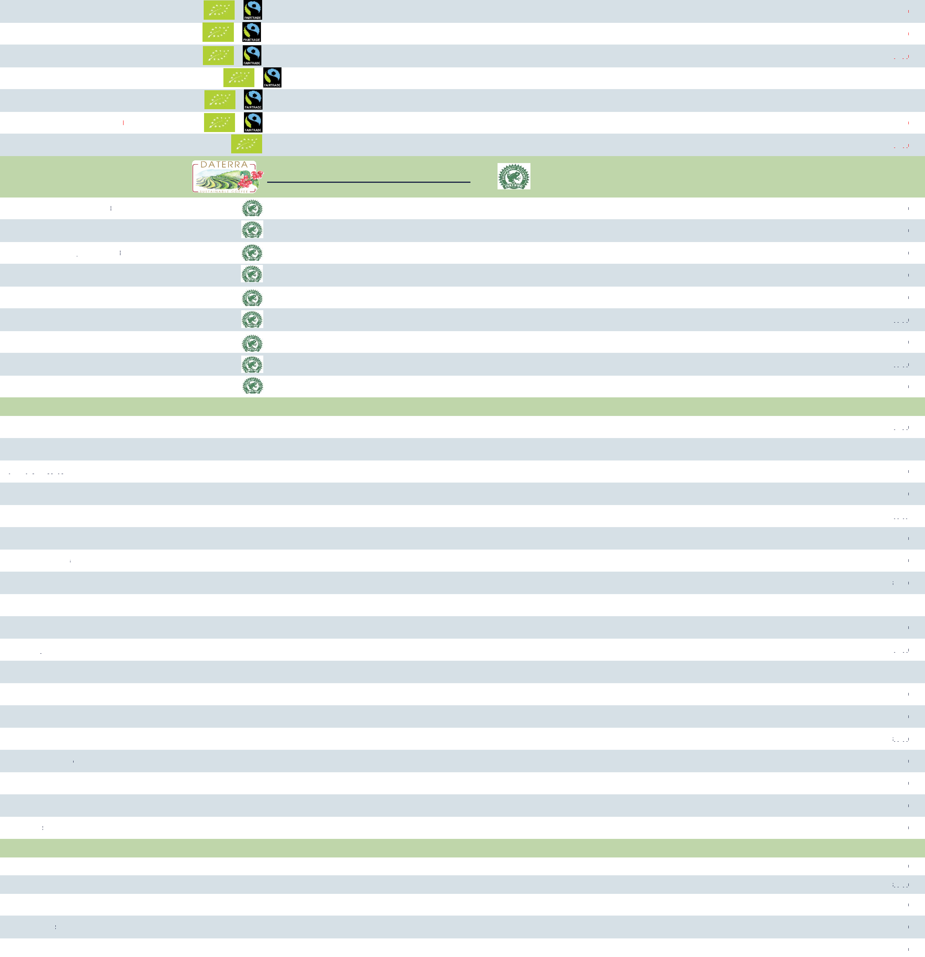

83.00
83.50
82.00
83.00
84.50
84.50
84.00
Washed | Jute bag (70 kg) | €005 | Spot | SUGARCANE, RED APPLE, CHOCOLATE, CARAMEL
Washed | Jute bag (70 kg) | €006 | Spot | SUGARCANE, RED APPLE, CHOCOLATE, WALNUT
Washed | Jute bag (70 kg) | €005 | Spot | TOFFEE, APPLE, SYRUP, LEMON
Washed | Jute bag (69 kg) | €005 | Spot | TOFFEE, CREAMY, SPICY, SWEET
Washed | Jute bag (60 kg) | €005 | Spot | CHOCOLATE, CHERRY, SWEET, WHITE WINE
Washed | Jute bag (60 kg) | €006 | Spot | CHOCOLATE, LEMON, SPICY, FRUITY
Washed | Jute bag (69 kg) | €004 | Spot | CHOCOLATE, BLACKBERRY, TOFFEE

Organic Honduras Liquidambar
FT Organic Peru G1 EP
FT Organic Peru Café Femenino G1 EP
FT Organic Colombia Excelso
FT Organic Honduras SHG EP Amprocal, Women cooperative
FT Organic Papua New Guinea Enorga A HOAC
FT Organic Sumatra Mandheling Grade 1
Brazil Daterra Estate Selection
Visit Daterra website to explore more
Brazil Daterra Sunrise, RFA Certified
Brazil Daterra Sweet Collection, RFA Certified
Brazil Daterra Full Bloom, RFA Certified
Brazil Daterra Villa, RFA Certified
Brazil Daterra Sunset, RFA Certified
Brazil Daterra Summer Solister, RFA Certified
Brazil Daterra Grutta, RFA Certified
Brazil Daterra Blossom, RFA Certified
Brazil Savanah Cerrado, RFA Certified
South America
Brazil Santos 2/3 17/18 Strictly Soft Good Cup
Brazil Santos 2/3 17/18 Strictly Soft Fine Cup
Brazil Yellow Bourbon
Brazil Paraiso Estate
Brazil Palmital Estate
Brazil Santos 2 Screen 19+
Brazil Pocos de Caldas
Brazil Peaberry
Colombia Cafe Granja La Esperanza Sweet Valley
Colombia Excelso EP
Colombia Supremo 17+
Colombia Cundinamarca Viani
Colombia El Eden
Colombia Suarez District
Colombia Inza District
Colombia Huila Palermo
Ecuador SHB EP
Peru MCM G1
Peru MCM G2
Africa
Burundi Bukhorka Lot 2503
Burundi Kiremaa Lot 3101
Congo Kivu Lake 4
Ethiopia Sidamo 2
Ethiopia Yirgacheffe 2
Pulped, Natural, Pulped Raisin | Penta bag (60 kg) | €005 | Spot | SWEET, FRUITY, HAZELNUT
Pulped, Natural | Penta box (24.2 kg) | €008 | Spot | MANDARIN, CARAMEL, CHOCOLATE
Natural | Penta box (24.2 kg) | €008 | Spot | STONE FRUITS, BLUEBERIES, PLUM
Pulped, Natural, Pulped Raisin | Penta bag (60 kg) | €5.30 | Spot | CARAMEL, CITRIC, HAZELNUTS
Natural | Penta bag (60 kg) | €005 | Spot | DARK CHOCOLATE, WALNUTS, RIPE PLUM
Mixed | Penta box (24.2 kg) | €7.40 | Spot | STONE FRUITS, BLUEBERIES, CHERRY
Mixed | Jute bag (60 kg) | €004 | Spot | CHOCOLATE, CARAMEL, FRUITY
Pulped | Penta box (24.2 kg) | €9.00 | Spot | JASMINE, HONEY, MANGO
Mixed | Jute bag (60 kg) | €004 | Spot | CHOCLATE, NUTTY, CARAMEL

Natural | Jute bag (60 kg) | €003 | Spot | CHOCOLATE, PEANUTS, SOFT
Natural | Jute bag (60 kg) | €003 | Spot | CHOCOLATE, NUTTY, SOFT
Natural | Grain pro (60 kg) | €005 | Spot | CHOCOLATE, CARAMEL, HAZELNUT, BERRY
Pulped Natural | Grain pro (60 kg) | €4.30 | Spot | SWEET, CARAMEL, ORANGE, YOUGHURT, DELICATE
Pulped Natural | Grain pro (60 kg) | €004 | Spot | SWEET, CARAMEL, ORANGE, HAZELNUT, DELICATE
Natural | Jute bag (60 kg) | €003 | Spot | CHOCOLATE, NUTTY, SOFT
Natural | Jute bag (60 kg) | €004 | Spot | CHOCOLATE, NUTTY, CARAMEL, SOFT
Pulped Natural | Grain pro (60 kg) | €003 | End Jan-21 | CHOCOLATE, ORANGE, APPLE, NUTS
Natural | Grain pro (35 kg) | €010 | Spot | CRANBERRY, RASPBERRY, BLUEBERRY, VANILLA, GUAVA
Washed | Jute bag (70 kg) | €004 | Spot | TOFFEE, APPLE, SYRUP, LEMON
Washed | Jute bag (70 kg) | €004 | Spot | CHOCOLATE, BERRY, CARAMEL, LEMON
Washed | Grain pro (70 kg) | €4.80 | Spot | SUGARCANE, APPLE, GRAPE, LIME, REDCURRANT
Washed | Grain pro (70 kg) | €4.90 | Spot | APPLE, LEMON, CARAMEL, RASPBERRY
Washed | Grain pro (70 kg) | €4.90 | Spot | SUGARCANE, RED APPLE, GRAPE, LIME, SWEET
Washed | Grain pro (70 kg) | €005 | Jan-21 | APPLE, GRAPE, LIME, CARAMEL, RASPBERRY
Washed | Grain pro (70 kg) | €4.60 | Spot | APPLE, PLUM, LEMON, CHERRY
Washed | Jute bag (60 kg) | €5.30 | Spot | APPLE, LIME, CARAMEL
Washed | Jute bag (69 kg) | €004 | Spot | SUGARCANE, RED APPLE, CHOCOLATE, CHERRY
Washed | Jute bag (69 kg) | €004 | Spot | SUGARCANE, CHOCOLATE

Washed | Grain pro (60 kg) | €006 | Feb-21 | CHERRY, LEMON, BLACKBERRY, SWEET
Washed | Grain pro (60 kg) | €006 | Feb-21 | CRANBERRY, BLACKBERRY, MAPLE SYRUP, CHOCOLATE
Semi washed | Jute bag (60 kg) | €004 | Spot | TEA, PLUM, CITRUS, CHOCOLATE
Washed | Jute bag (60 kg) | €5.30 | Spot | APRICOT, TEA-ROSE, CHOCOLATE, HONEY
Washed | Jute bag (60 kg) | €5.50 | Spot | FLORAL, CHERRY, POMEGRANATE, TEALIKE

84.50
88.00
87.50
84.00
83.00
86.00
83.00
88.00
82.50
81.00
81.50
83.50
83.00
83.00
81.50
82.50
83.00
87.00
82.00
82.50
83.50
83.50
83.50
83.50
83.50
83.00
83.50
82.00
84.50
85.50
81.50
84.00
85.00

